ACS712
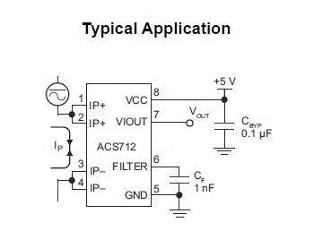
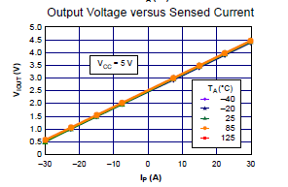
V | I
0.5 | -30 |  | -2
4.5 | 30

I = mV+b

b=-30-m(0.5)
m=(I-b)/V=(30+30+0.5m)/4.5=60/4.5+0.5/4.5m
m-0.5/4.5m=60/4.5
m=(60/4.5)/(1-0.5/4.5)

m = | 15 | amp/volt | 15
b = | -37.5 |  | -37.5

I = 15V-37.5 | << linear trendline (current as a function of voltage)

sandbox
V | I
5 | 37.5
2.55 | 0.7 |  | resolution | 0.066666666667 | V/A
 |  |  |  | 66.666666667 | mV/A | 1 Amp change, will trigger 67mV reading difference

 |  |  | arduino step resolution | 4.8875855327 | mV/step | should be able to reliably read analog voltages of about 5mV

